1. Title Page
[Instacart Grocery Basket Analysis]

Project Name: Instacart Grocery Basket Analysis
Date: 2 June, 2025
Analyst Name: Arpita Nandy

Contents:
Population Flow
Consistency checks
Wrangling steps
Column derivations
Visualizations
Recommendations

Data Citation: “The Instacart Online Grocery Shopping Dataset 2017”, Accessed from www.instacart.com/datasets/grocery-shopping-2017 via Kaggle.

2. Population Flow
Title page

Population flow

Exclusion flag
Condition: max_order <
Obervations to be removed:
Final total count of order_products_all:

Orders_products_combined
Ords_prods_merged
customer_ords_prods

Total: 3,243,489
Total: 3,243,489
Total 3,243,489

1.) The grey boxes in the first row of the population flow represent the original data sets as they were when you downloaded them. In the Total fields you need to add the count of the rows when you imported the data set into Jupyter.
2.) The second row of boxes (coloured) represents the data sets after you manipulated them, e.g., removed missing values and duplicates. In the Total fields you need to add the count of the rows after conducting these operations. This offers a visual oveview of how the data flows throughout the data consistency checks.
3.) The third row, where also the arrows are coloured, represents the merges you performed between the datasets. In the Total fields you need to add the count of the rows in the merged datasets, so that you end up with the final dataset (in the red box). Keep in mind the final dataset should be without exclusions (based on the exclusion flag).

3. Consistency checks
 |  |  |  | Title page
Consistency checks

Dataset | Missing values | Missing values treatment | Duplicates
orders | 206209 missing values within days_since_prior_order column | Imputated based off the mean value of the data | 0 Duplicate Values found
products | 16 missing values within product_name column | Deleted due to being strings nature. Not possible to imputate data | 5 Duplicates Deleted
orders_products_prior | No missing values | Not required | None found
customers | No missing values when searching for NaN values throughout all 10 columns | Not required | None found

4. Wrangling steps
 |  |  |  | Title page
Wrangling steps

Columns dropped | Columns renamed | Columns' type changed | Comment/Reason
Df_ords Dataframe
eval_set |  |  | Column was not necessary for data. Saves CPU memory throughout analysis going forward
 | orders_dow to orders_day_of_week |  | "day of week" was more intuitive to understand compared to "dow"
 | order_hour_of_day to order_time_hour_of_day |  | Allows more intuition to understand the variable reflected time of day
 |  | order_id: int64 to string | The variable functions better as a string. Descriptive statistics do not provide any value. For example, the mean value of all the order_id's do not provide a strong insight
 |  | user_id: int64 to string | The variable functions better as a string. Descriptive statistics do not provide any value. For example, the mean value of all the user_id's do not provide a strong insight
 |  | order_number: int64 to string | The variable functions better as a string. Descriptive statistics do not provide any value. For example, the mean value of all the order_number's do not provide a strong insight

5. Column derivations
 |  |  |  | Title page

Column derivations and aggregations

In this tab you should add tables below that the frequences of flags/label variables that you produced after deriving them. NB: don't do this for continuous variables, only for flags.
Dataset | New column | Column/s it was derived from | Conditions
ords_prods_merge | price_range_loc | prices | High_range product: >15 Mid-Range Product: >5 & <=15 Low-Range Product: <5
ords_prods_merge | Busiest_day | orders_days_of_week | Busiest days: Saturday, Sunday Regularly Busy: Wednesday, Thursday, Friday Slowest days: Monday, Tuesday 0 refers to Saturday in dataframe
ords_prods_merge | busiest_period_of_day | order_time_hour_of_day | Most orders: [10, 11, 14, 15, 13, 12, 16, 9] Average orders: [17, 8, 18, 19, 20, 7, 21, 22] Fewest orders: [23, 6, 0, 1, 5, 2, 4, 3]
ords_prods_merge | max_order | order_number | Max count of orders per user
ords_prods_merge | loyalty_flag | max_order | Loyal customer >=40 Regular customer >10 & <40 New customer <=10
ords_prods_merge | spender_type | Avg_spent | High Spender: =>10 Low Spender: <10
ords_prods_merge | frequency_flag | median_order_frequency | Frequent customer: <=10 Regular customer: >10 & <=20 Non-Frequent customer: >20
customer_ords_prods | activity_customer_level | max_order | Low-activity Customer: <5 orders High-activity Customer: >=5 orders
customer_ords_prods | age_group | Age | young_adult: <33 years adult: >=33 & <49 older_adult: >=49 &<65 senior: >=65
customer_ords_prods | Income_bracket | Income | Low Income Customer: <96608 Middle Income Customer: >=96608 & < 127876 High Income Customer: >=127876
customer_ords_prods | parent_status | number_dependants | Single: = <1dependents Parent:= >=1 dependents
customer_ords_prods | department_name | department | 1: frozen 2: other 3: bakery 4: produce 5: alcohol 6: international 7: beverages 8: pets 9: dry goods pasta 10: bulk 11: personal care 12: meat seafood 13: pantry 14: breakfast 15: canned goods 16: dairy eggs 17: household 18: babies 19: snacks 20: deli 21: missing
customer_ords_prods | day_of_week | orders_day_of_week | 0: Saturday 1: Sunday 2: Monday 3: Tuesday 4: Wednesday 5: Thursday 6: Friday

6. Visualizations
 |  | Title page

Visualisations

In this tab you should include all the visualtions from Exercises 4.9 and 4.10, alongside the questions from the project brief that they answer. Include any commentary on the relationship between different variables.

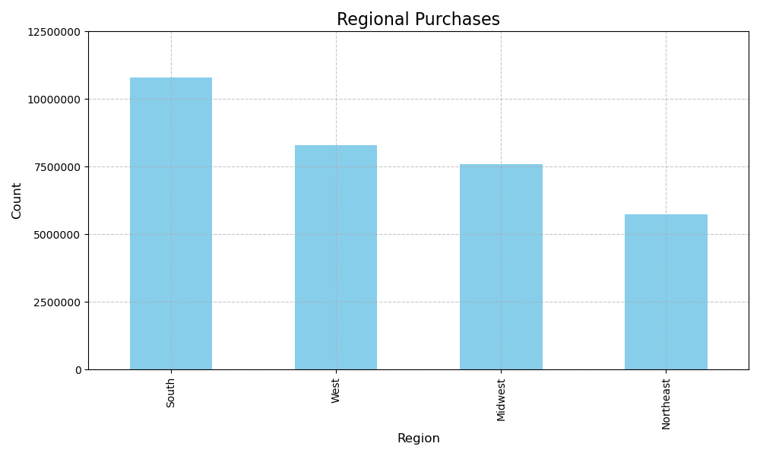 | Table 1: Regional Purchases In this data, we can see that a majority of the Instacart customer base comes from the South region. This is a great market to continue growing and investing into for increased sales.

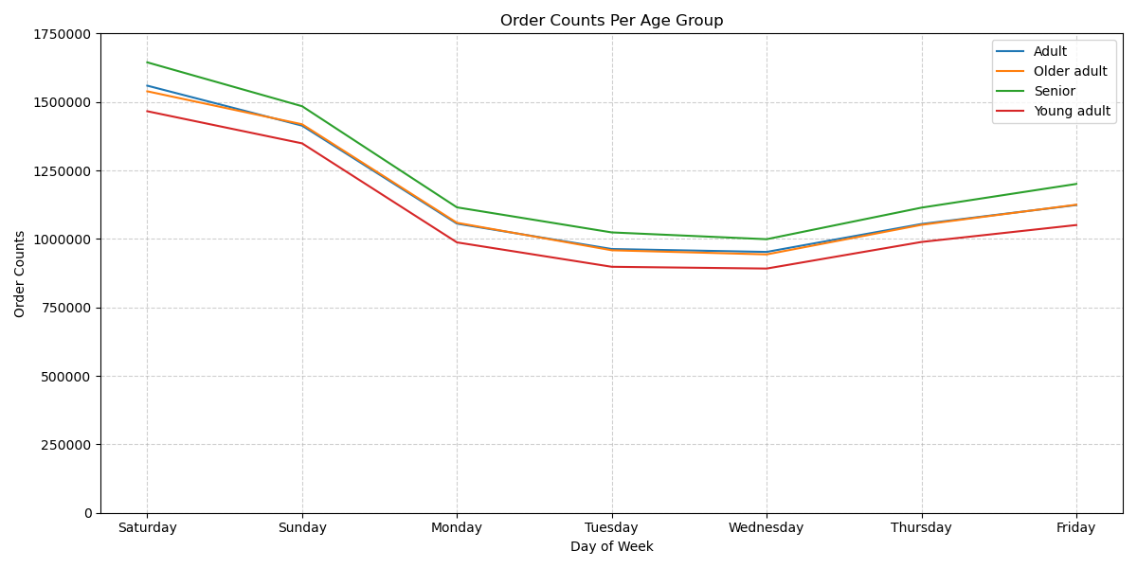 | Table 2: Sales Throughout The Week Project Brief Key Questions 1: The sales team needs to know what the busiest days of the week and hours of the day are (i.e., the days and times with the most orders) in order to schedule ads at times when there are fewer orders. In this visualization, we are able to see the peak days where the Instacart customers are most active. It demonstrates that most of the orders occur on Sunday and Saturday. We then see it trend downwards throughout the week, until it builds back up again into Friday. This can be beneficial to run weekend promotions in order to drive more sales. Additionally, the graph was split throughout various age groups. This graph shows the same trends of ordering behavior, when split between the 4 different age groups. The senior age group seems to make the most purchases. The largest takeaway seems to be that the weekly trend is observed across all four age groups.

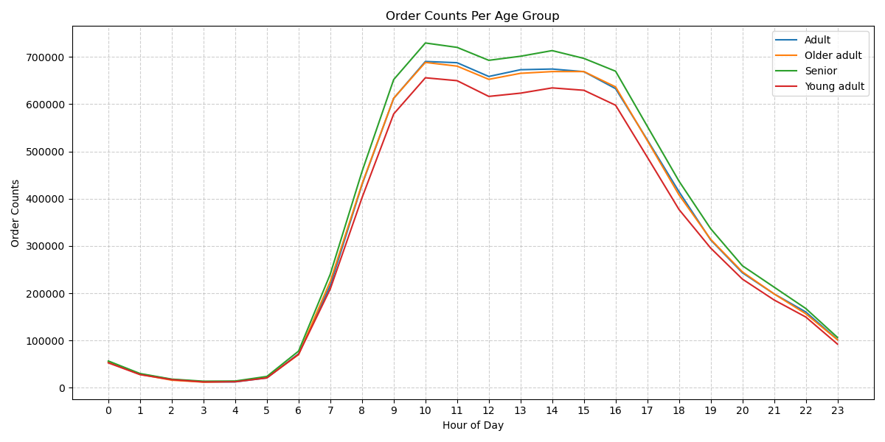 | Table 3: Hourly Purchases Per Age Group Project Brief Key Question 2: They also want to know whether there are particular times of the day when people spend the most money, as this might inform the type of products they advertise at these times. In this visualization, we continue to see sales behavior across the age groups. The largest insights seem to be that sales tend to reach its peak by 10 am, plateau into the 4pm time frame and descend down again into the evening. Additionally, it is important to see that all 4 age groups seem to follow this same trend as well.

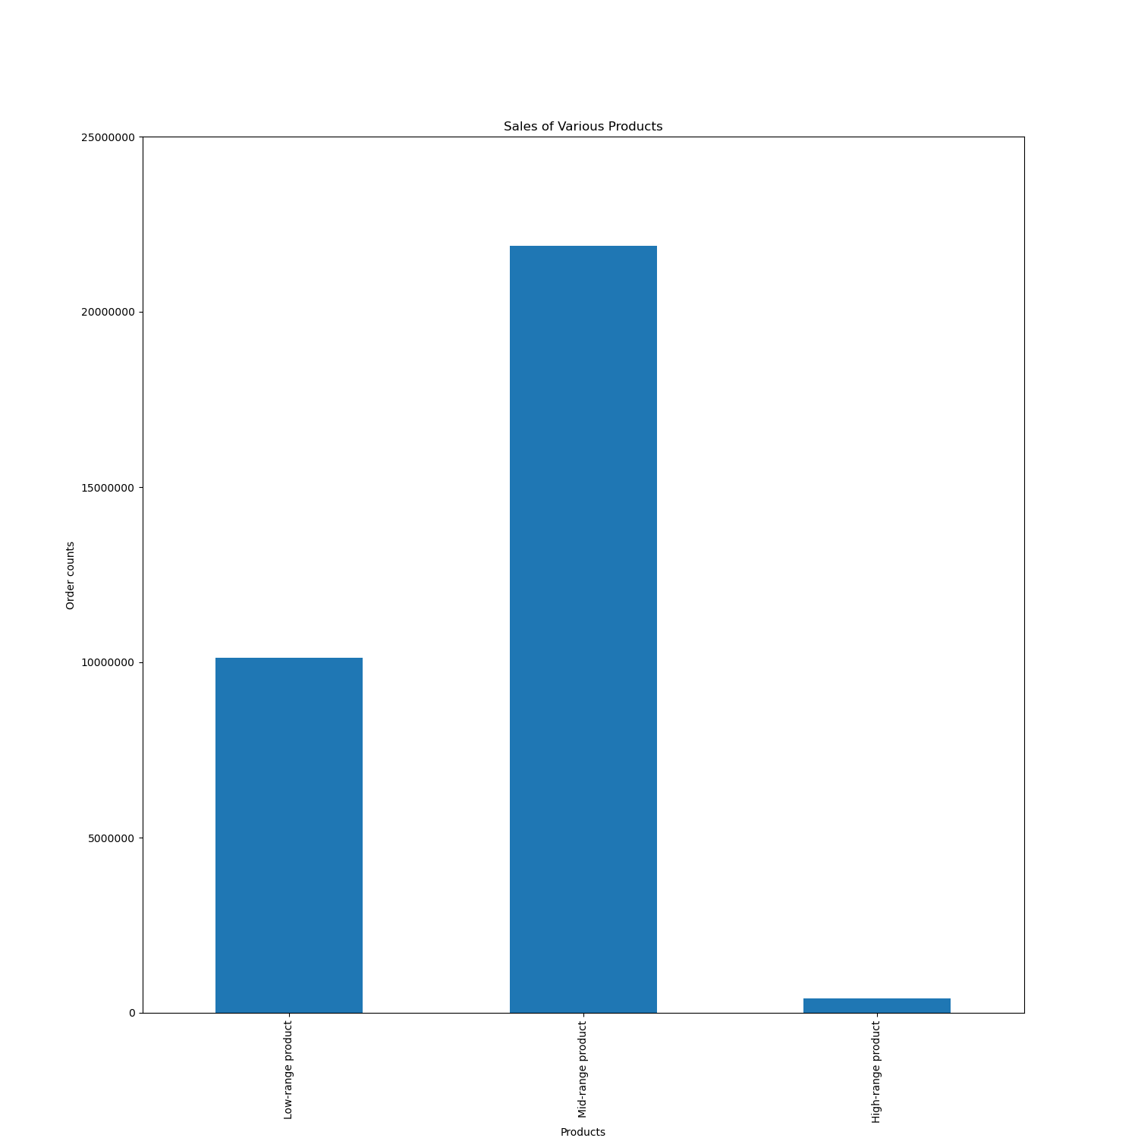 | Table 4: Product Type Sales Key Questions 3: Instacart has a lot of products with different price tags. Marketing and sales want to use simpler price range groupings to help direct their efforts. In this visualization, the product flag was used to assist te marketing department in identifying 3 classes of products (low, medium, highly priced). Through this bar graph, we can see that the mid-ranged products do the best in sales. This flag refers to sales in between $5-$15.

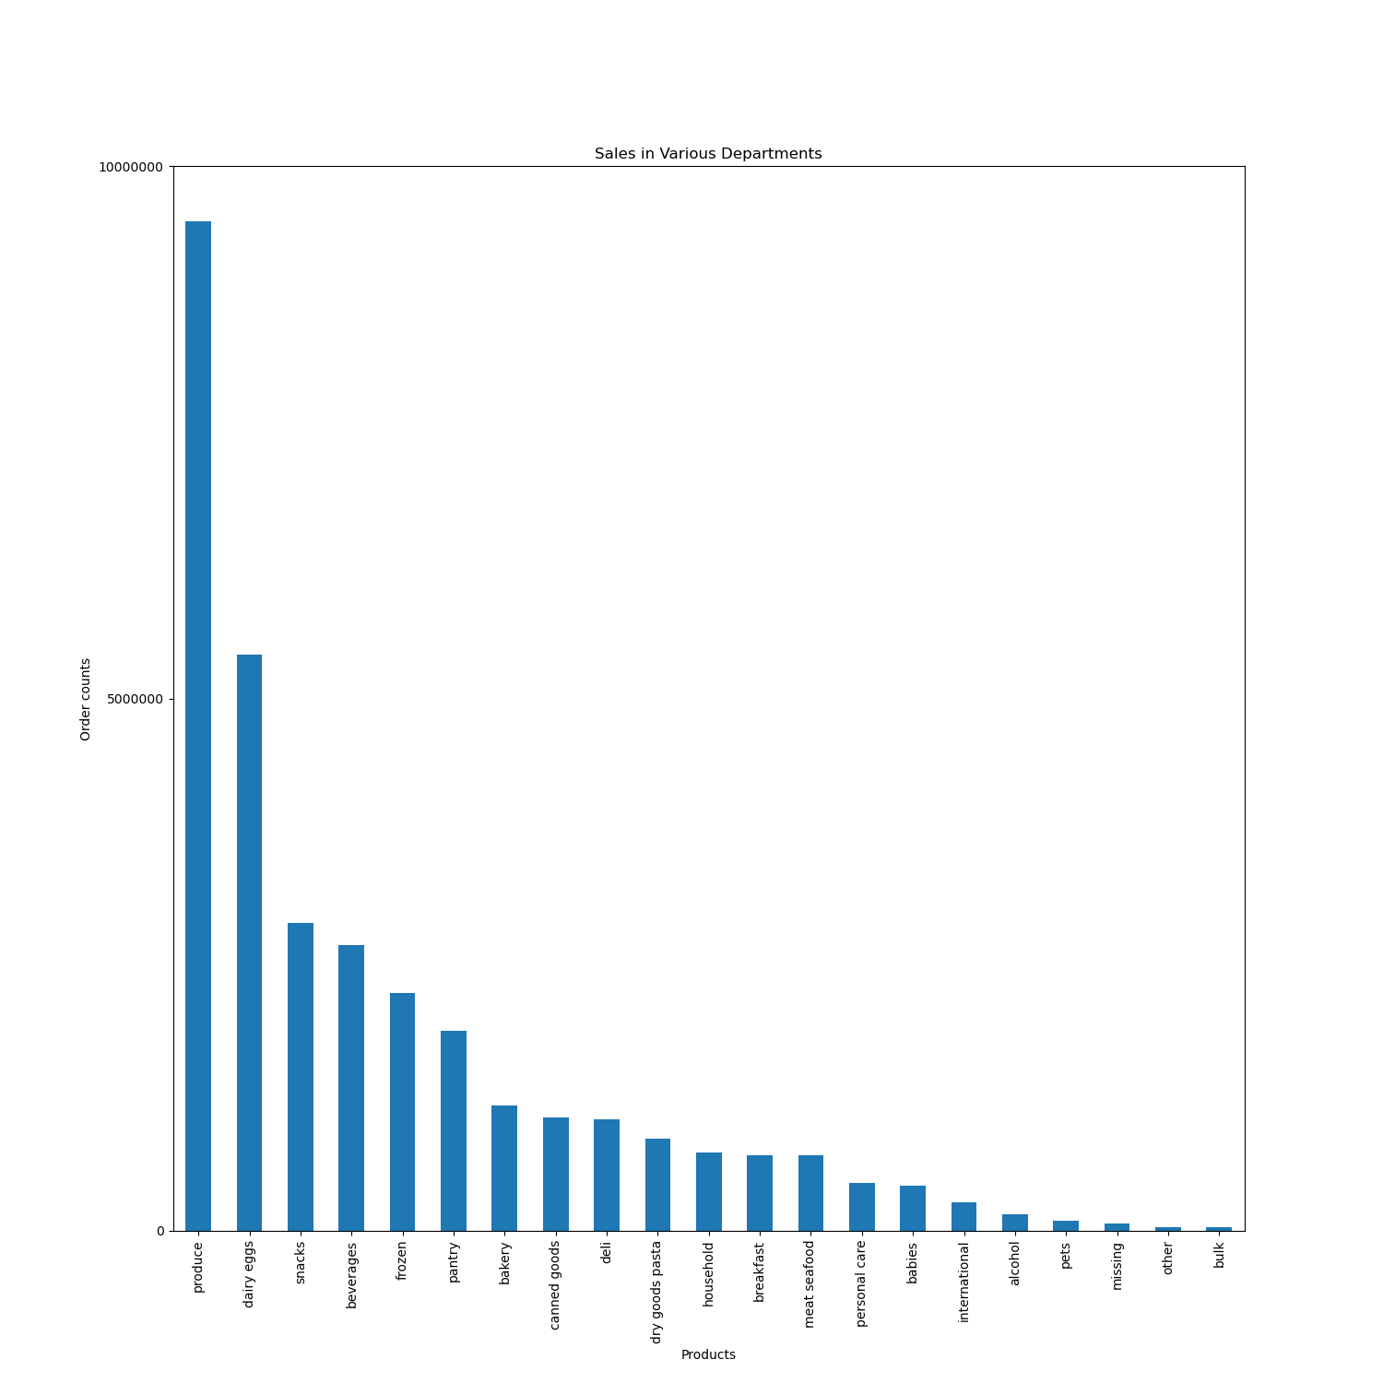 | Table 5: Sales Within Various Department Key Questions 4: Are there certain types of products that are more popular than others? The marketing and sales teams want to know which departments have the highest frequency of product orders. In this visualization, we are able to see the specific departments that produce the most revenue. In the Instacart data, the produce department generates the most revenue by far. Eggs, snacks, beverages, and frozen foods make up the top 5 departments. However, the overall general trend seems to be grocery staples commonly found in every pantry

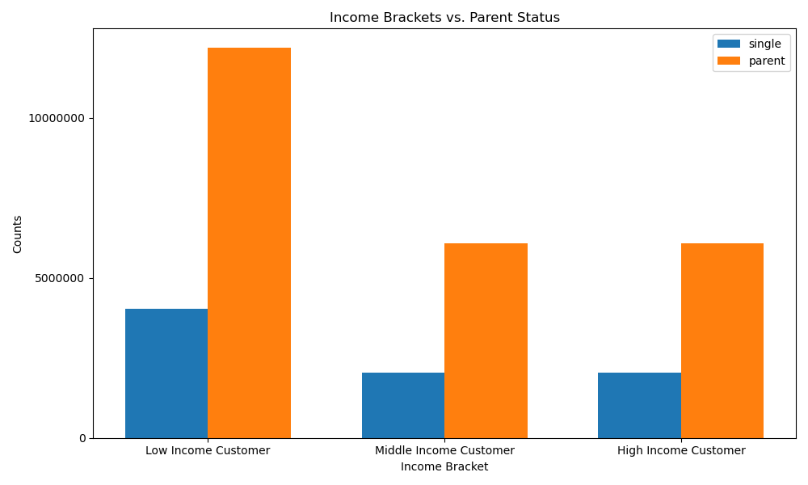 | Table 6: Patient Profile Sales Or Parent Status and Income Levels Exercise Question 5: Create a profiling variable based on age, income, certain goods in the “department_id” column, and number of dependents. In this graph, patient profiles of Single, or Parent status were created between the various income brackets. This data suggests that a majority of orders were generated within the low income bracket, specifically who are parents. This categorical data is defined as parents who make less than $96,608 a year. While this income level is not necessarily "low-income" when compared to conventional standards, these customers are within the lower quartile of income data when using aggregate data from the sales information.

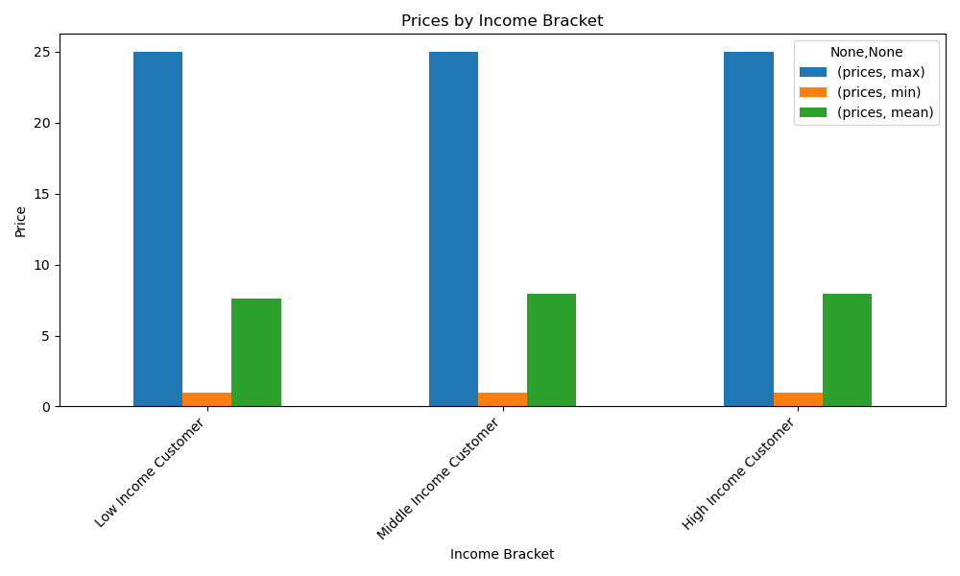 | Table 7 : Aggregate Data Between the Various Income Groups Exercise Question 7: Aggregate the max, mean, and min variables on a customer-profile level for usage frequency and expenditure. Through this data, it seems like all customer income levels like to purchase similarly priced items. At every income level, they all seem to average spending around $7.5-$8 an item. Though these different customer levels seem to have similar purchase habits, we know from previous graphs that there is a dramatic increase in the objective volume of lower-income customers that use the platform, specifically lower income parents.

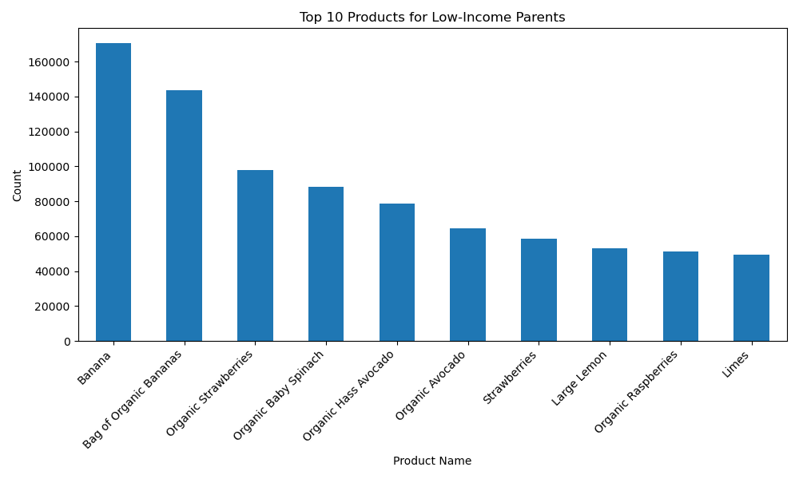
 | Table 8: Top 10 Products for Low-Income Parents Exercise Question 8: Compare your customer profiles with departments. Can you identify a link between them? Customers may demonstrate different behaviors across regions, which could make this information important. In earlier graphs, we were able to identify that lower income parents, made up a large majority of sales. In this visualization, we are able to identify the top 10 products that are purchased within this population. The top products are consistent with previous graphs as well. These products found are all within the produce department, and are mid-ranged level products. Orders for these types of goods can be further emphasized with our marketing team

7. Recommendations
 |  |  | Title page

Recommendations

In this tab you should include any recommendations you would made to Instcart in terms of their marketing strategy based on the questions posed in the brief. Every key question has been covered in the Tasks of the Exercises - here you need to add an item - a visualisation or table/crosstable that is showing the answer in the data, acompanied by a comment from you. Please, list the questions below and add the answer underneath.

Question | Answer | Recommendations/Insights
What are the busiest days of the week? | The busiest days of the week are Sunday and Sunday as found in Table 1 | Insights: High customer activity on Sundays suggests users tend to place grocery orders before the workweek starts. This pattern can inform staffing, marketing, and operations planning. Recommendations To accommodate the high volume of orders on Sundays, Instacart should consider increasing warehouse and delivery capacity specifically for that day. Implementing peak-hour staffing during midday can help maintain service quality and reduce delivery delays. Additionally, targeted marketing campaigns can be highly effective—sending promotional emails or push notifications early Sunday morning may boost customer engagement and conversions. Offering Sunday-only discounts or loyalty perks can further incentivize purchases. Finally, introducing weekend bundle offers that include "week prep" essentials such as meals, cleaning supplies, and snacks can enhance basket size and meet customer needs more efficiently.
What are the busiest hours of the day? | The busiest hours of the day are between 10 am to 4pm as found in Table 2 | Insights Midday peak (10 AM–4 PM) suggests customers prefer ordering during working hours or just before lunch.This may reflect a mix of:Remote workers or stay-at-home shoppers. Users placing orders for same-day delivery. People planning meals early in the day. Recommendations To enhance operational efficiency during the peak shopping window of 10 AM to 4 PM, Instacart should consider scaling up fulfillment resources and optimizing order batching, picking, and delivery schedules to ensure timely service. Running flash deals or time-sensitive discounts during these hours can help boost average basket sizes and increase customer engagement. Additionally, adjusting staff schedules by offering flexible shifts or breaks outside of peak hours can help manage workload effectively. To balance demand throughout the day, Instacart can also introduce off-peak shopping incentives, such as early morning discounts or "quiet hour" promotions, encouraging customers to place orders during less busy times.
How can we use a simpler price range grouping to help direct efforts? | The dataframe derived new price range flags to label every purchase as found in Table 4: High_range product: >$15 Mid-Range Product: >$5 & <=$15 Low-Range Product: <$5 | Insights: The analysis shows that most purchases fall into the low- and mid-range price categories, indicating a strong preference for affordable products. High-range products, though less frequent, likely contribute more to total revenue. This suggests a mix of price-sensitive shoppers and premium buyers. Understanding this distribution helps identify which segments drive volume versus value. Recommendations: To drive greater value across different customer segments, Instacart can offer bundle deals or loyalty rewards to encourage higher spending among low-range buyers. Mid-range customers present an opportunity for upselling through targeted promotions that highlight premium alternatives. For high-range buyers, exclusive deals and early access to premium products can help maintain engagement and brand loyalty. Additionally, aligning inventory planning and marketing strategies with purchasing patterns across price tiers will ensure product availability and targeted messaging that supports both customer satisfaction and revenue growth.
Which departments have the highest frequency of product orders? | The top 5 departments that generate the most income are found in Table 5 1. Produce 2. Dairy eggs 3. Snacks 4. Beverages 5. Frozen | Insights: The top five income-generating departments are Produce, Dairy & Eggs, Snacks, Beverages, and Frozen. These categories represent essential and frequently purchased items, indicating strong and consistent customer demand. Their performance highlights their importance in driving overall revenue and customer engagement. Recommendations: Focus marketing and promotional efforts on these top-performing departments to sustain and grow revenue. Ensure consistent stock availability and freshness, especially in Produce and Dairy. Consider loyalty rewards or cross-selling strategies within these categories to boost average order value. Additionally, use these departments as anchor categories to attract repeat purchases and build customer loyalty.
Is there a patient profile that makes up a large part of sales? | The parent who makes lower than $96,000 makes up a large proportion of Instacart's sales. This is found in Table 6. | Insights: As shown in Table 6, a significant proportion of Instacart’s sales comes from parents earning less than $96,000 annually. This indicates that a large share of Instacart’s customer base consists of budget-conscious families who rely on the platform for convenience and essential grocery shopping. Their consistent purchasing behavior suggests strong brand engagement despite income constraints. Recommendations: Instacart should focus on value-driven promotions, such as discounts, bundle deals, or loyalty programs, tailored to lower-income parent segments. Offering family-sized packaging and budget-friendly product suggestions can further encourage repeat purchases. Additionally, targeted marketing that emphasizes affordability, convenience, and time-saving can strengthen Instacart’s appeal to this key demographic.
Are there certain type of products that are more popular than other? | When highlighting the Parent profile, with an income of less than $96,000, The top 10 products they purchase are: 1. Bananas 2. Organic Bananas 3. Organic Strawberries 4. Organic Spinach 5. Organic Hass Avocado 6. Organic Avocado 7. Strawberries 8. Large Lemon 9. Organic Raspberries 10. Limes | Insights: When highlighting the Parent profile with an income below \$96,000, the top 10 products they purchase are primarily fresh fruits and organic produce. Items like bananas, organic strawberries, and avocados suggest a strong preference for healthy, family-friendly, and organic options. This purchasing pattern reflects health-conscious behavior even within a budget-sensitive group. Recommendations: Instacart can strengthen engagement with this segment by promoting affordable organic options and offering discounts or bundles on fresh produce. Marketing messages that emphasize health, freshness, and value will likely resonate well. Curating weekly organic produce deals or family fruit packs can further increase loyalty and repeat purchases from this key customer group.

